BMW AITS
 |  |  |  |  | BMW | 13.62-1 739 510
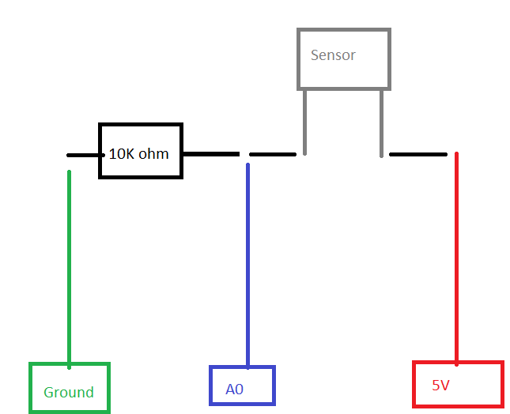
 | room temp | 7150 | ohm
 | room temp after breathing | 7070 | ohm
 | held to laptop exhaust | 3900 | ohm
 | room temp after laptop | 6770 | ohm
 | armpit stabilized | 3094 | ohm | 3.8V

BMW 1 383 204 appears to have the same characteristics

